ASSUMPTIONS
 | *Standard used: ISO 606; cross referenced with motorcyle chain standard |  |  |  |  | * For HIGH, MEDIUM, LOW, consider the different event you want to design for
 | ASSUMPTIONS
operating speed |  | HIGH | MEDIUM | LOW
 | Torque [M] | 107.54 | 107.54 | 107.54
input | Rotational Speed Motor [n_1] (rpm) | 5924.3836017 | 2962.1918008 | 1481.0959004 | *small sprocket speed
 | Driven Sprocket Speed [n_2] (rpm) | 1260.5071493 | 630.25357464 | 315.12678732 | *rotational speed of the large driven sprocket
input | Teeth Small Sprocket [z_1] | 10 | 10 | 10 | *4.7 Gear Ratio
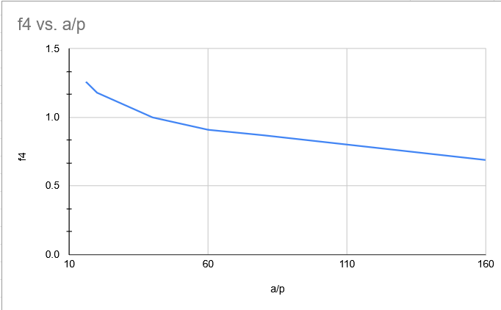
input | Teeth Large Sprocket [z_2] | 47 | 47 | 47
input | Dynamic Overload [f_1] | 2 | 2 | 2
input | Gear Ratio Factor [f_2] | 0.97 | 0.97 | 0.97 | *from IWIS
input | Dynamic Shock Factor [f_3] | 1.37 | 1.37 | 1.37
input | Center Distance Factor (a/p) [f_4] | 1.26 | 1.26 | 1.26 | *a/p needed, from IWIS | 16.712540268
input | Lubrication Factor [f_5] | 1 | 1 | 1
 | Multi-Shaft Drive Factor [f_6] | 1 | 1 | 1
 | Influencing Factor [f_G] | 3.348828 | 3.348828 | 3.348828

SPROCKET GEOMETRY
*STANDARD USED: ISO 606; THIS STANDARD COMPROMISES OF ANSI AND BRITISH |  | SPROCKET CAD TUTORIAL: https://www.chiefdelphi.com/t/sprocket-design-tutorial/387449
*SPECIFIC STANDARD USED: ANSI
 | CHAIN PROPERTIES SMALL SPROCKET |  |  |  |  | CHAIN PROPERTIES LARGE SPROCKET
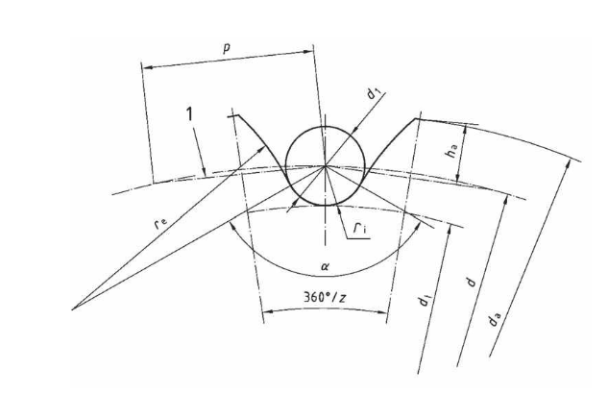
 | Chain Pitch [p] (mm) | 12.7000 |  |  |  | Chain Pitch [p] (mm) | 12.7000
 | Roller Diameter [D_r] (mm) | 8.5100 |  |  |  | Roller Diameter [D_r] (mm) | 8.5100 |  | angle of pressure is gamma and comes from CAD
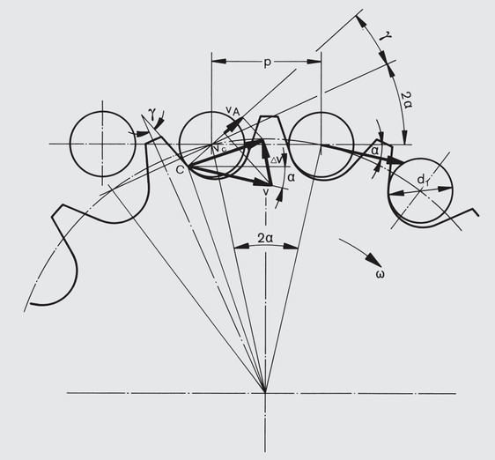
 | Inner Width (mm) | 7.2000 |  |  |  | Inner Width [b_z] (mm) | 7.2000
 | Number Teeth | 10.0000 |  |  |  | Number Teeth | 47.0000
 | Pitch Circle[d] (mm) | 41.0981 |  |  |  | Pitch Circle [d] (mm) | 190.1407
 | d_R = d_1 | 8.5100 | *w/ tolerance of +0.01 mm |  |  | d_R = d_1 | 8.5100 | *w/ tolerance of +0.01 mm
 | Root Diam. [d_f] | 32.5881 | *w/ tolerance of -0.25mm |  |  | Root Diam. [d_f] | 181.6307 | *w/ tolerance of -0.30mm
 | M_R | 49.6081 |  |  |  | M_R | 198.5445
 | r_e_max | 12.2544 |  |  |  | r_e_max | 50.0388
 | r_i_min | 4.2976 |  |  |  | r_i_min | 4.2976
 | alpha_max | 131.0000 |  |  |  | alpha_max | 138.0851
 | r_e_min | 19.0624 |  |  |  | r_e_min | 162.6431
 | r_i_max | 4.4384 |  |  |  | r_i_max | 4.4384
 | alpha_min | 111.0000 |  |  |  | alpha_min | 118.0851
 | d_a_max | 48.4631 |  |  |  | d_a_max | 197.5057
 | d_a_min | 43.2561 |  |  |  | d_a_min | 193.8984
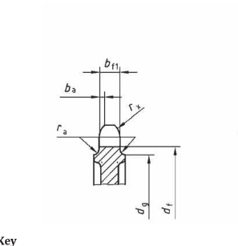
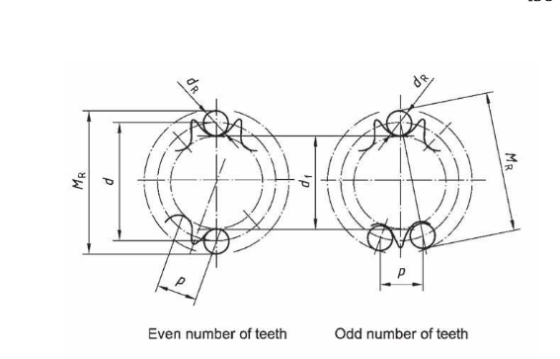
 | h_a_max | 4.6985 |  |  |  | h_a_max | 3.8987
 | h_a_min | 2.0950 |  |  |  | h_a_min | 2.0950
 | angle of pressure [gamma] (deg) | 23.4318 | *from CAD, "Gear Alignment Assembly" |  |  | angle of pressure [gamma] (deg) | 32.3689 | *from CAD, "Gear Alignment Assembly"
 | Tooth Profile |  |  |  |  | Tooth Profile
 | h_1 | 12.0000 | *standard to 428 chain |  |  | h_1 | 12.0000 | *standard to 428 chain
 | b_1 (mm) | 7.8500 | * plate to plate width of chain |  |  | b_1 (mm) | 7.8500
 | bf_1 | 7.3005 | *with tolerance h14, b_z in CALCULATIONS |  |  | bf_1 | 7.3005 | *with tolerance h14, b_z in CALCULATIONS
 | bf_2 | 7.3005 |  |  |  | bf_2 | 7.3005
 | r_x_nom | 12.7000 |  |  |  | r_x_nom | 12.7000
 | b_a_nom | 1.6510 |  |  |  | b_a_nom | 1.6510
 | d_g | 25.8466 |  |  |  | d_g | 176.4761
 | d_f | 32.5881 |  |  |  | d_f | 181.6307
 | radial runnout | 0.1061 |  |  |  | radial runnout | 0.2253
 | axial runnout | 0.1093

 | *goal: use less links than last year to reduce weight
 | WEIGHT ANALYSIS | *value from CAD |  | *must be even to fit geartrain
 | Angle of Wrap (Small Sprocket) | Center to Center Distance Approx. | Exact No. Links | Round No. Links | Weight | Weight AER26 (Datasheet) (66 links) | Weight Difference (kg) | Weight Drop | Weight AER 26 (Measured?) (67 links) | Weight Difference (kg) | Weight Drop
 | 120 | 149.04266461 | 61.25425046 | 62 | 0.62 | 0.792 | 0.172 | 22% | 0.6634261437 | 0.0434261437 | 7%
L/p = No. Links | 125 | 161.38940144 | 62.488445919 | 64 | 0.64 | 0.792 | 0.152 | 19% | 0.6634261437 | 0.0234261437 | 4%
N1,N2 = No. Teeth | 130 | 176.33249448 | 64.115197574 | 66 | 0.66 | 0.792 | 0.132 | 17% | 0.6634261437 | 0.0034261437 | 1%
p = pitch | 135 | 194.73362577 | 66.271586303 | 68 | 0.68 | 0.792 | 0.112 | 14% | 0.6634261437 | -0.0165738563 | -2%
C =center to center distance | 140 | 217.8857993 | 69.16264613 | 70 | 0.7 | 0.792 | 0.092 | 12% | 0.6634261437 | -0.0365738563 | -6%
 | 150 | 287.92831793 | 78.64825831 | 80 | 0.8 | 0.792 | -0.008 | -1% | 0.6634261437 | -0.1365738563 | -21%

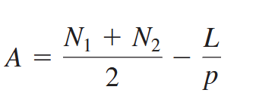
 | CENTER TO CENTER DISTANCE CALCULATION
 | No. Links | A | Center to Center Distance Actual (mm) | AER 26 C2C Distance (mm)
 | 62 | -33.5 | 198.64706328 | 219.05
 | 64 | -35.5 | 212.2492614 | 219.05 | *choosing this because it allows for error
 | 66 | -37.5 | 225.73648052 | 219.05
 | 68 | -39.5 | 239.13037182 | 219.05
 | 70 | -41.5 | 252.44727791 | 219.05
 | 80 | -51.5 | 318.23740708 | 219.05

 | Final Wrap Angle (Small Sprocket) | 138.25 | Final Wrap Angle (Large Sprocket) | 221.1095

CALCULATIONS
 | Operating Speed | HIGH | MEDIUM | LOW

 | KINEMATICS & CHORDAL ACTION

 | Gear Ratio [i] | 4.7 | 4.7 | 4.7 |  | speed reduction or step-up ratio between the small drive sprocket and the large driven sprocket
 | Angular Velocity Small Sprocket [ω_1] (rad/s) | 620.4 | 310.2 | 155.1 |  | Converts the motor's rotational speed from revolutions per minute into angular velocity in radians per second
 | Angular Velocity Large Sprocket [ω_2] (rad/s) | 132 | 66 | 33
 | Pitch Circle Diameter Small Sprocket [d_1] (mm) | 41.098063314 | 41.098063314 | 41.098063314
 | Pitch Circle Diameter Large Sprocket [d_2] (mm) | 190.14072792 | 190.14072792 | 190.14072792
SMALL SPROCKET | Small Chain Velocity [v] (m/s) | 12.539952062 | 6.2699760309 | 3.1349880154 |  | *this eq. is in feet/min
 | Small Chain Velocity Min [v_min] (m/s) | 12.123764349 | 6.0618821743 | 3.0309410872 |  | * this is in m/s, from IWIS
 | Small Chain Velocity Max [v_max] (m/s) | 12.747680228 | 6.3738401141 | 3.186920057
 | Small Speed Variation [δ] | 4.98% | 4.98% | 4.98%
LARGE SPROCKET | Large Chain Velocity [v] (m/s) | 12.539952062 | 6.2699760309 | 3.1349880154 |  | *this eq. is in feet/min
 | Large Chain Velocity Min [v_min] (m/s) | 12.520341694 | 6.2601708468 | 3.1300854234 |  | * this is in m/s, from IWIS
 | Large Chain Velocity Max [v_max] (m/s) | 12.548363713 | 6.2741818564 | 3.1370909282
 | Large Speed Variation [δ] | 0.22% | 0.22% | 0.22%

 | CHAIN LOAD & POWER

 | Transmitted Power [P] (W) | 66.712901835 | 33.356450917 | 16.678225459 |  | *n1 is rpm , comes from P = Torque x Angular Speed
 | Chain Pull [F] (N) | 5233.336626 | 5233.336626 | 5233.336626 |  | * tangential force, comes from M= F x d, max force found at small sprocket
 | Centrifugal Force [ F_f] (N) | 123.8192108 | 30.954802699 | 7.7387006747 |  | * comes from F = mV^2/r, same velocity for both sprockets
 | Total Working Tension [F_t] (N) | 5357.1558368 | 5264.2914287 | 5241.0753267

 | DYAMIC IMPACT & STRESS ANALYSIS | * Impact is the roller hitting the sprocket when it engages

 | Total Working Tension [F_t] (N) | 5357.1558368 | 5264.2914287 | 5241.0753267
 | Small Sprocket Pressure Angle [γ] | 23.4318 | 23.4318 | 23.4318
 | Large Sprocket Pressure Angle [γ] | 32.3689 | 32.3689 | 32.3689
SMALL SPROCKET | Small Impact Velocity [v_A] (m/s) | 6.7840802862 | 3.3920401431 | 1.6960200716 |  |  | *LARGER FORCES ACTING ON SMALL SPROCKET
 | Small Roller Impact Energy [E_A] (J) | 0.23011872665 | 0.057529681663 | 0.014382420416 |  |  | *energy absorbed by roller
 | Small Dynamic Impact Force [F_A] (N) | 14966.548317 | 7483.2741585 | 3741.6370792
LARGE SPROCKET | Large Impact Velocity [v_A] | 1.0782072273 | 0.53910361363 | 0.26955180681
 | Large Roller Impact Energy [E_A] | 0.0058126541245 | 0.0014531635311 | 0.00036329088278
 | Large Dynamic Impact Force [F_A] | 2378.66297 | 1189.331485 | 594.6657425

 | TOOTH STRESS

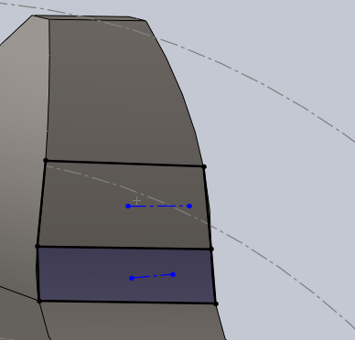
 | 10T Impact Area (m^2) | 2.36E-05 | 2.36E-05 | 2.36E-05 | *23.61 mm^2
 | 10T Impact Stress (Pa) | 6.34E+08 | 3.17E+08 | 1.58E+08
 | 47T Impact Area (m^2) | 2.77E-05 | 2.77E-05 | 2.77E-05 | *27.66 mm^2, area bounded by two boxes (pictured)
 | 47T Impact Stress (Pa) | 8.60E+07 | 4.30E+07 | 2.15E+07

FEA LOAD CALCULATIONS
REFERENCE:http://chain-guide.com/basics/2-1-2-engagement-with-sprockets.html
 | Operating Speed | HIGH | MEDIUM | LOW |  | Operating Speed | HIGH | MEDIUM | LOW

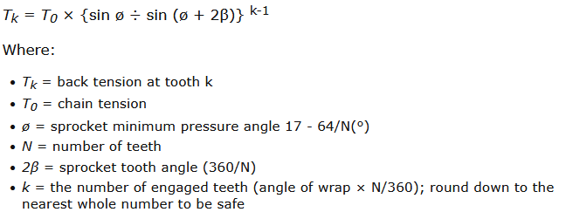
 | SMALL SPROCKET |  |  |  |  | LARGE SPROCKET |  |  |  |  |  | *Only works for driven sprocket
 | Chain Tension (N) | 5357.1558 | 5264.2914 | 5241.0753 |  | Chain Tension (N) | 5357.1558368 | 5264.2914287 | 5241.0753267
 | θ | 10.6 | 10.6 | 10.6 |  | θ | 15.638297872 | 15.638297872 | 15.638297872
 | Number Teeth | 10 | 10 | 10 |  | Number Teeth | 47 | 47 | 47
 | 2β | 36 | 36 | 36 |  | 2β | 7.6595744681 | 7.6595744681 | 7.6595744681
 | k | 3 | 3 | 3 |  | k | 28 | 28 | 28

 | k | Tension | Tension | Tension |  | k | Back Tension | Back Tension | Back Tension
 | 1 | 1785.7186123 | 1754.7638096 | 1747.0251089 |  | 1 | 5357.1558368 | 1189.331485 | 594.6657425 | 508.9298045
 | 2 | 1785.7186123 | 1754.7638096 | 1747.0251089 | *F total /3 (even across each tooth) | 2 | 2487.5057464 | 2444.3683764 | 2433.5840339 | 236.3130459
 | 3 | 1785.7186123 | 1754.7638096 | 1747.0251089 |  | 3 | 1695.0585163 | 1665.6579398 | 1658.3077957 | 161.03055905
 |  |  |  |  |  | 4 | 1154.9605579 | 1134.9223891 | 1129.9128469 | 109.721253
 |  |  |  |  |  | 5 | 786.85301243 | 773.19585816 | 769.7815696 | 74.75103618
 |  |  |  |  |  | 6 | 535.96673729 | 526.65860817 | 524.33157589 | 50.916840042 | SF | Maximum Moment
 |  |  |  |  |  | 7 | 364.97343972 | 358.62941914 | 357.043414 | 34.672476773 | 1 | 529.03448156
 |  |  |  |  |  | 8 | 248.43176044 | 244.1079488 | 243.02699589 | 23.601017242 | 2 | 1058.0689631
 |  |  |  |  |  | 9 | 169.00196289 | 166.05503879 | 165.31830776 | 16.055186474 | 3 | 1587.1034447
 |  |  |  |  |  | 10 | 114.86602819 | 112.85753143 | 112.35540724 | 10.912272678
 |  |  |  |  |  | 11 | 77.969302822 | 76.600397794 | 76.258171537 | 7.4070837681
 |  |  |  |  |  | 12 | 52.822081294 | 51.889094486 | 51.655847784 | 5.0180977229
 |  |  |  |  |  | 13 | 35.682816376 | 35.046932685 | 34.887961762 | 3.3898675557
 |  |  |  |  |  | 14 | 24.00143036 | 23.568039377 | 23.459691632 | 2.2801358842
 |  |  |  |  |  | 15 | 16.039899926 | 15.744519267 | 15.670674102 | 1.5237904929
 |  |  |  |  |  | 16 | 10.61366311 | 10.412344354 | 10.362014665 | 1.0082979955
 |  |  |  |  |  | 17 | 6.9153734135 | 6.7781632054 | 6.7438606534 | 0.65696047428
 |  |  |  |  |  | 18 | 4.3947781746 | 4.3012615965 | 4.277882452 | 0.41750392659
 |  |  |  |  |  | 19 | 2.67684884 | 2.6131119614 | 2.5971777417 | 0.2543006398
 |  |  |  |  |  | 20 | 1.5059820727 | 1.4625417568 | 1.4516816779 | 0.14306829691
 |  |  |  |  |  | 21 | 0.70796962894 | 0.67836257746 | 0.67096081459 | 0.067257114749
 |  |  |  |  |  | 22 | 0.16407866007 | 0.14389976682 | 0.13885504351 | 0.015587472706
 |  |  |  |  |  | 23 | -0.20661403818 | -0.22036710416 | -0.22380537066
 |  |  |  |  |  | 24 | -0.45926224231 | -0.46863574073 | -0.47097911534
 |  |  |  |  |  | 25 | -0.63145639492 | -0.6378449684 | -0.63944211178
 |  |  |  |  |  | 26 | -0.74881652536 | -0.75317070235 | -0.7542592466
 |  |  |  |  |  | 27 | -0.82880414403 | -0.83177176385 | -0.83251366881
 |  |  |  |  |  | 28 | -0.88332026563 | -0.88534286769 | -0.88584851821

FEA DOCUMENTATION
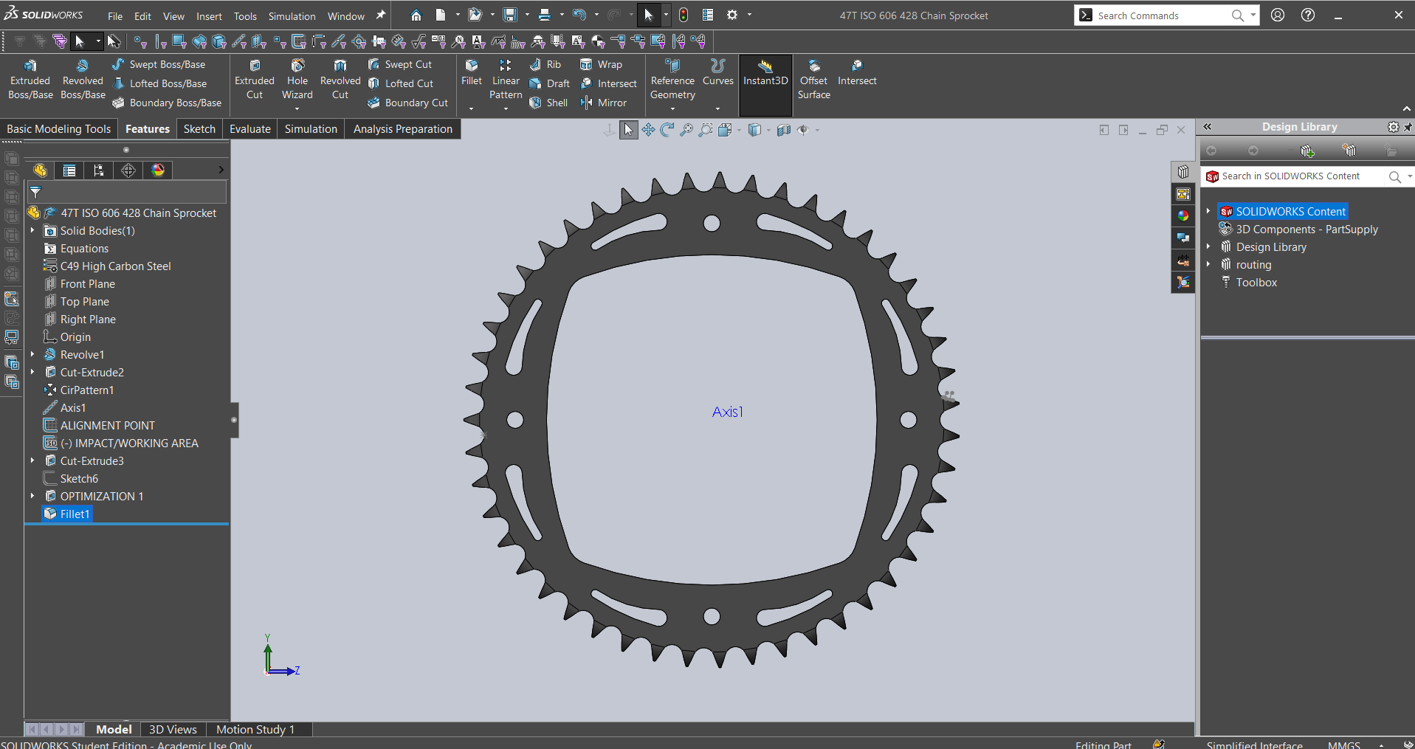
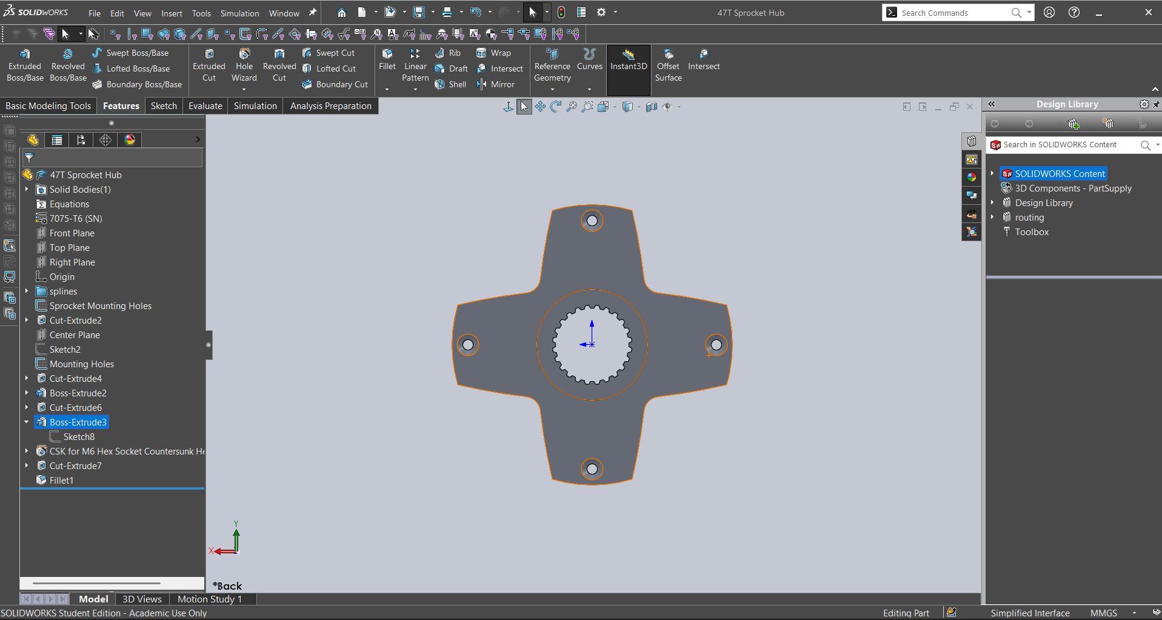
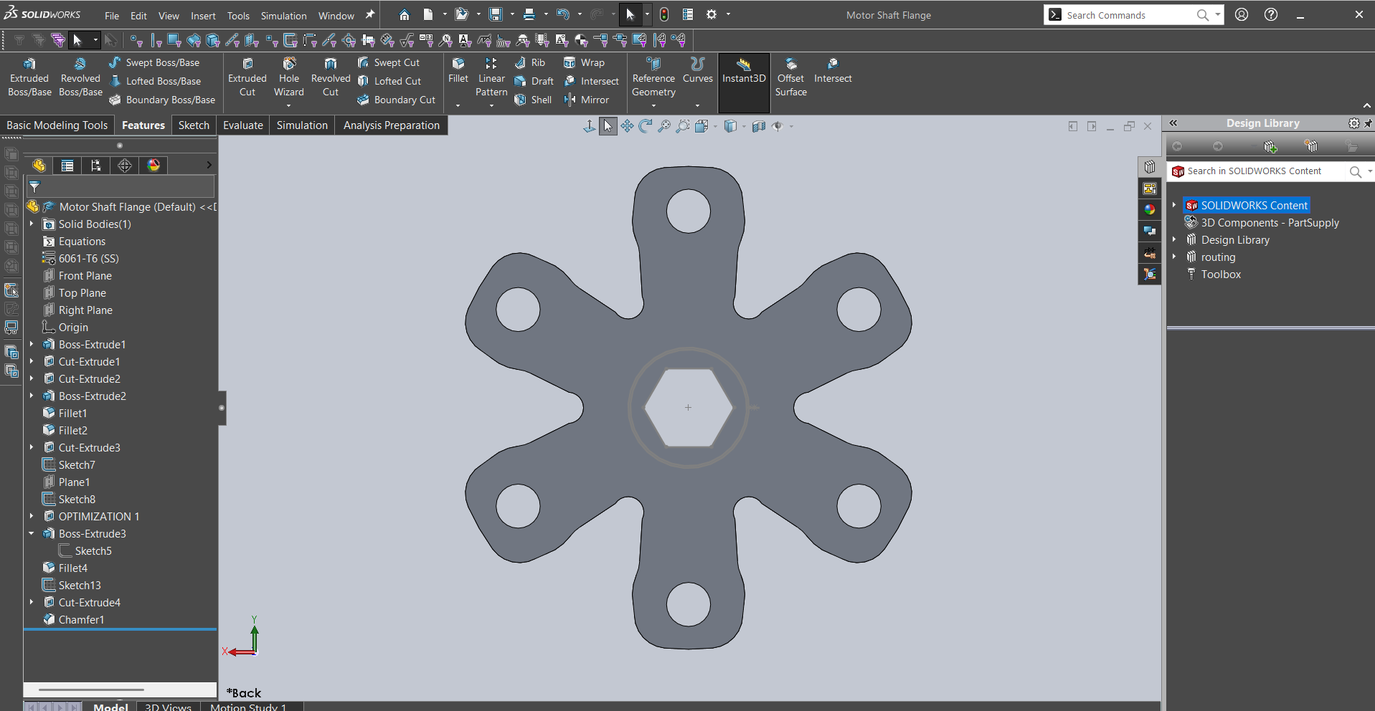
47 T Sprocket & Hub

3mm mesh

GETTING RID OF MARGINAL | GETTING RID OF MARGINAL
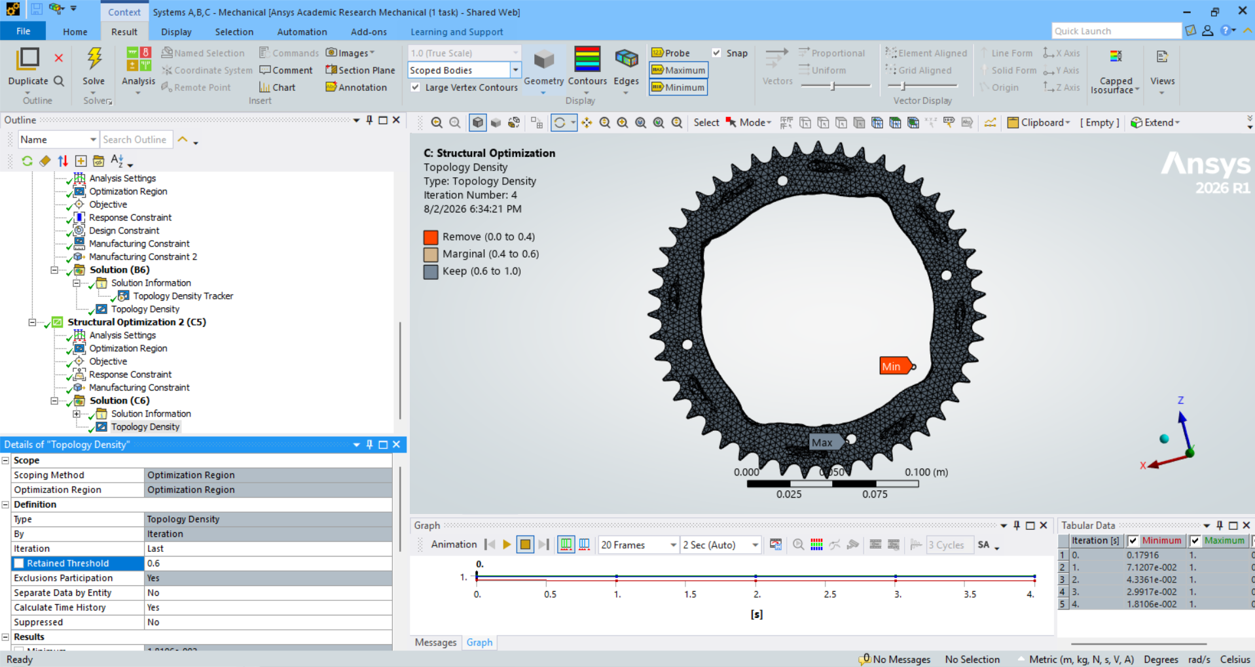
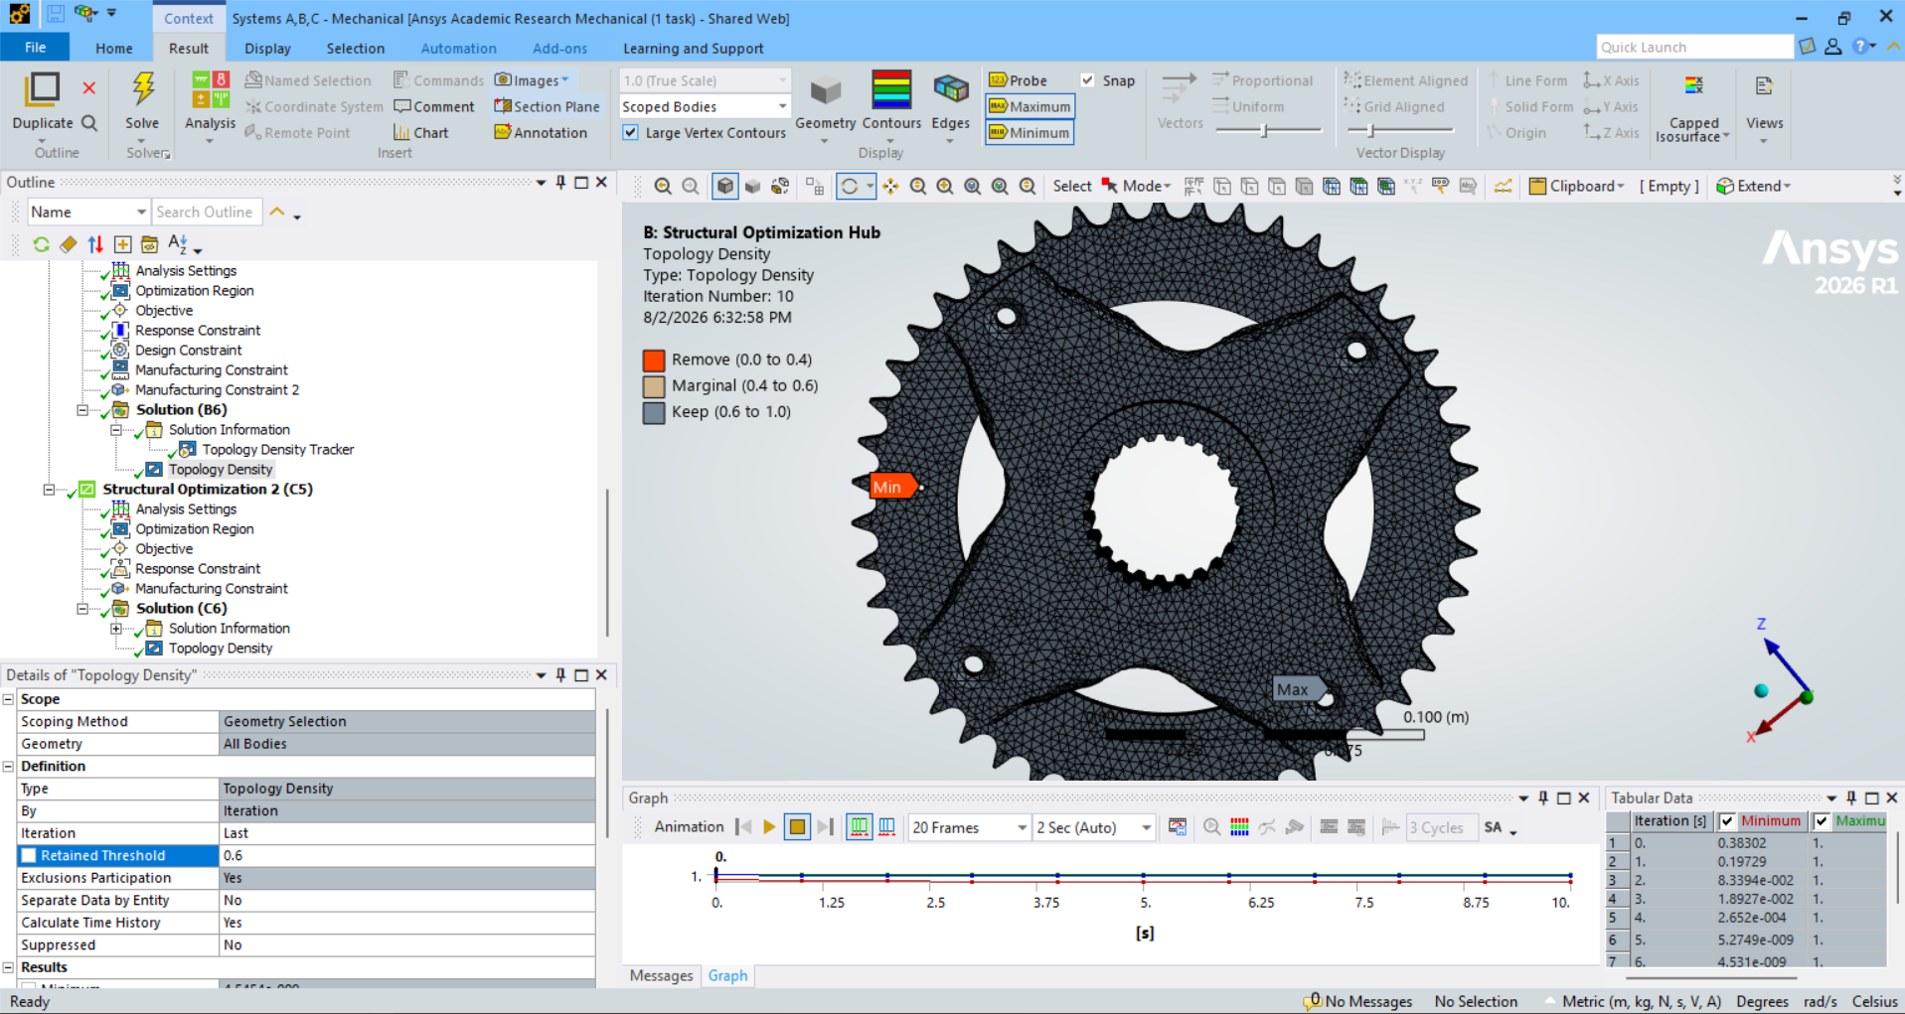
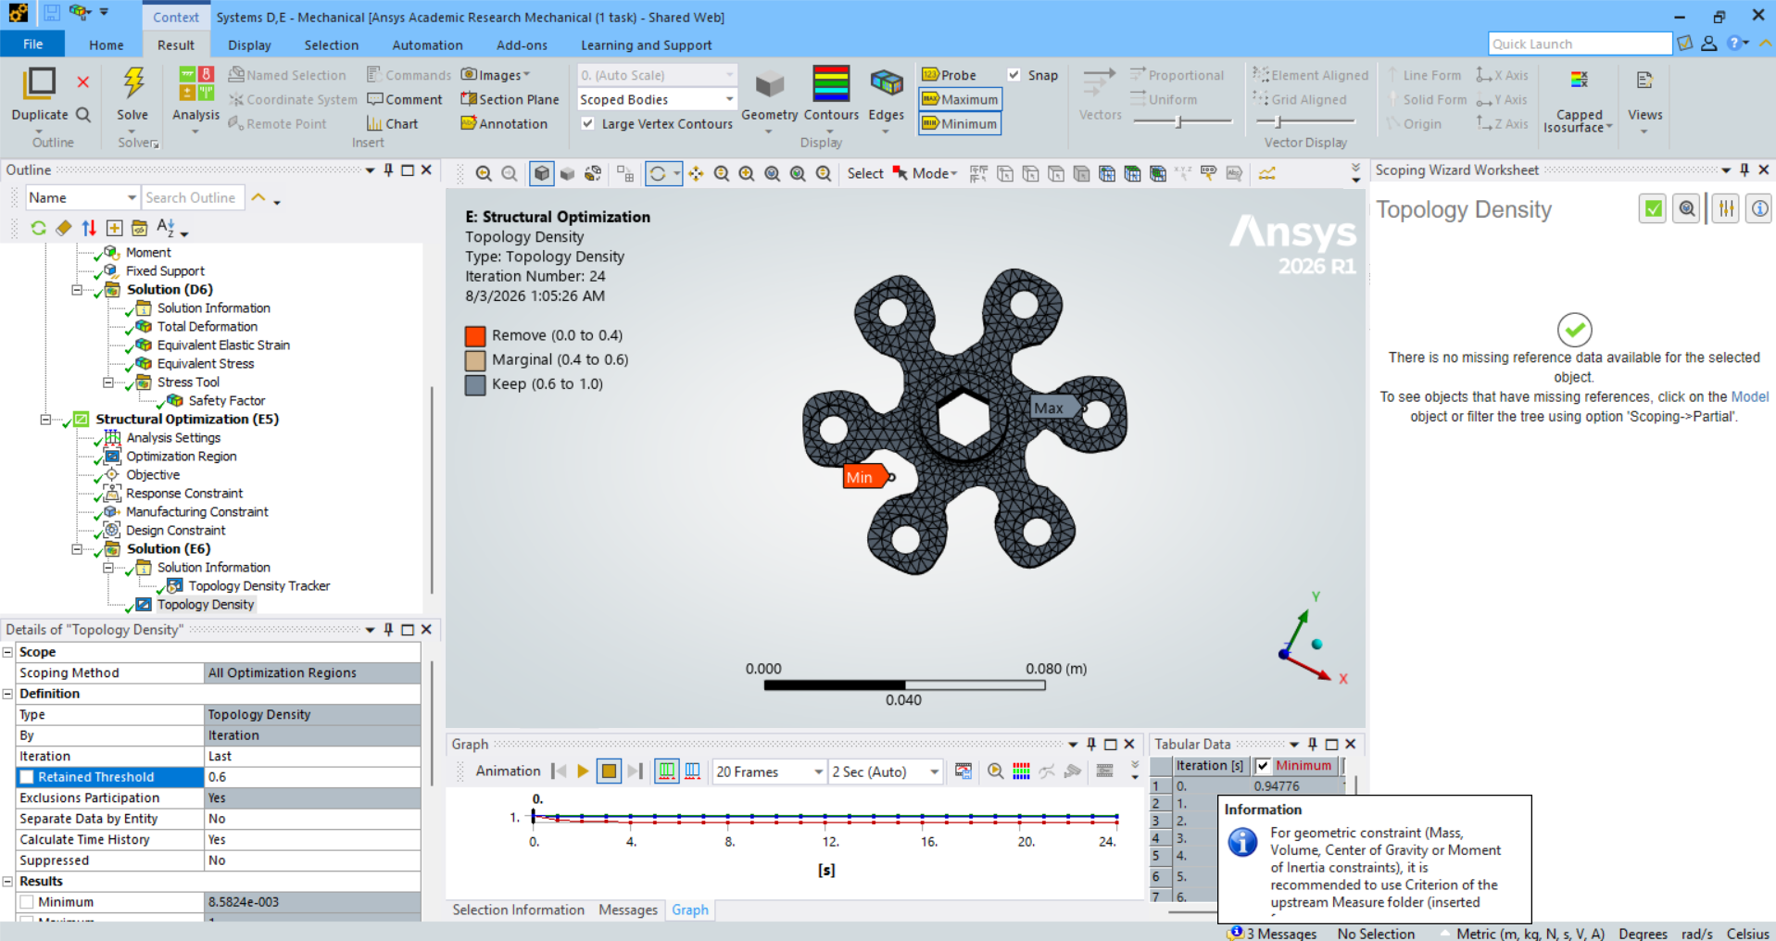

 |  | APPLYING 2X MAXIMUM MOMENT | APPLYING 3X MAXIMUM MOMENT
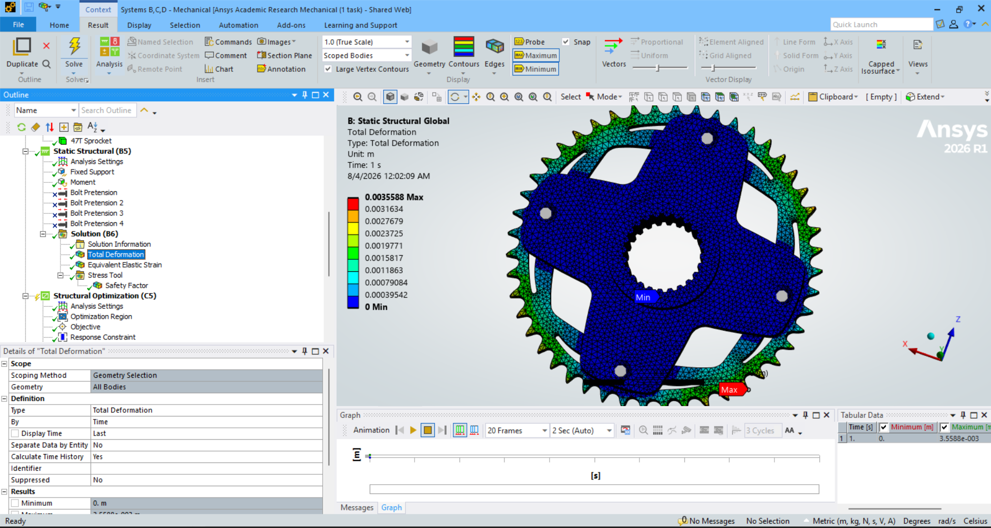
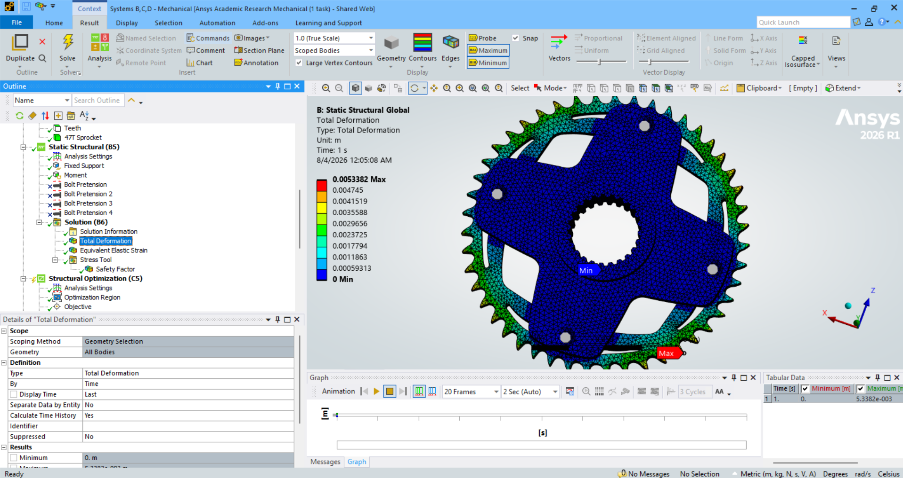

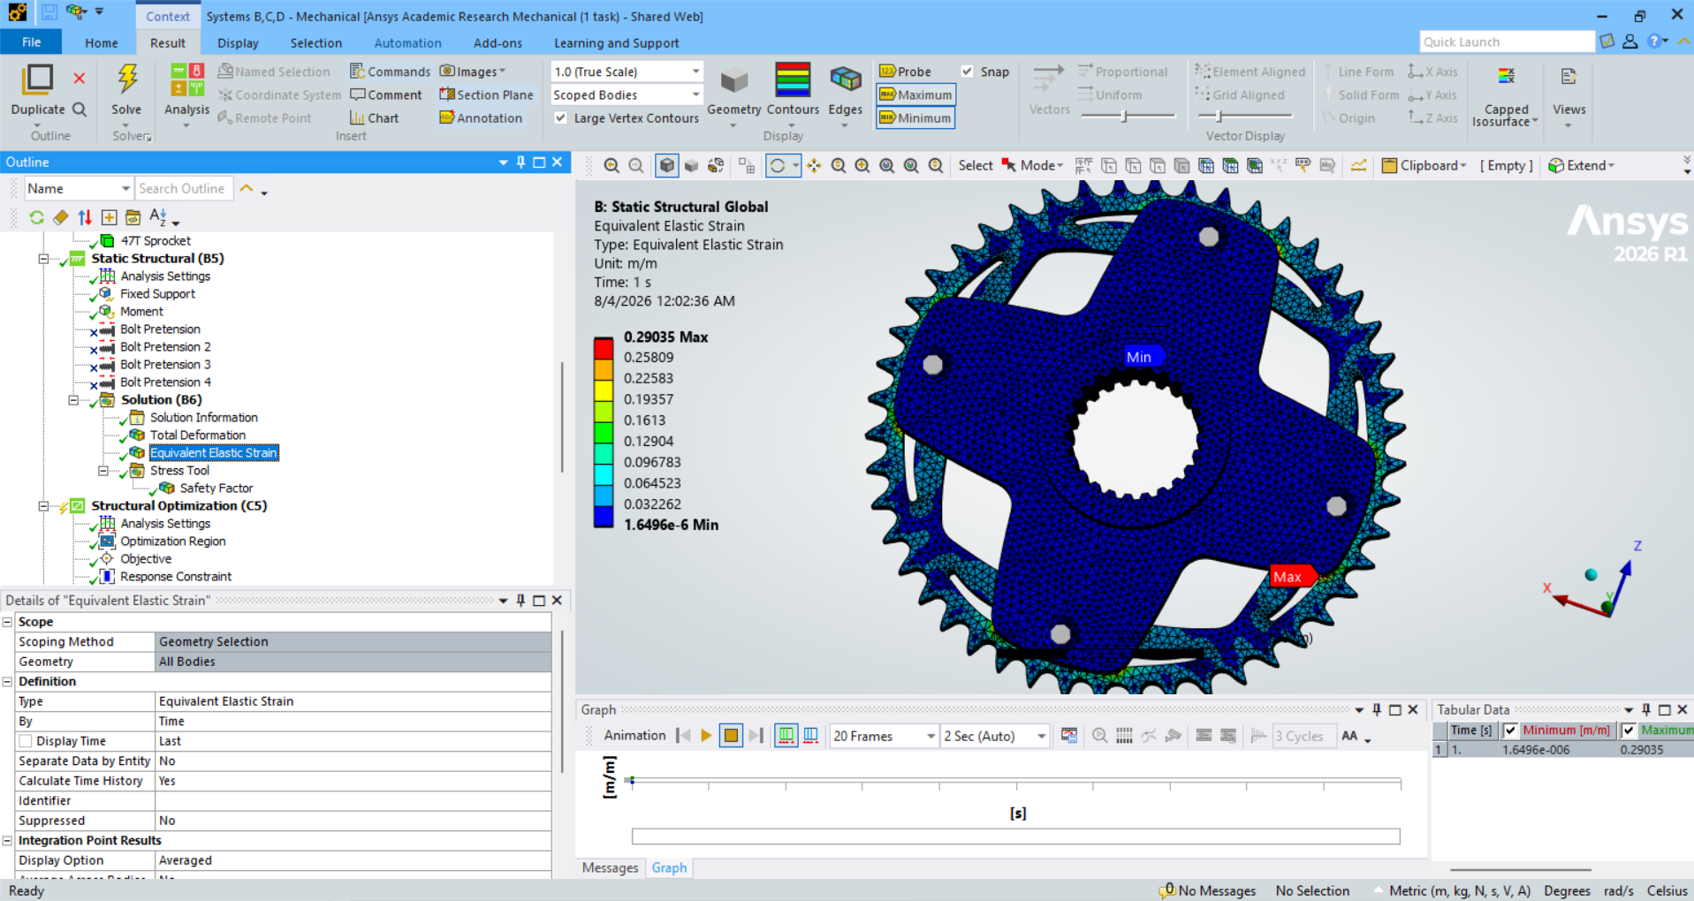
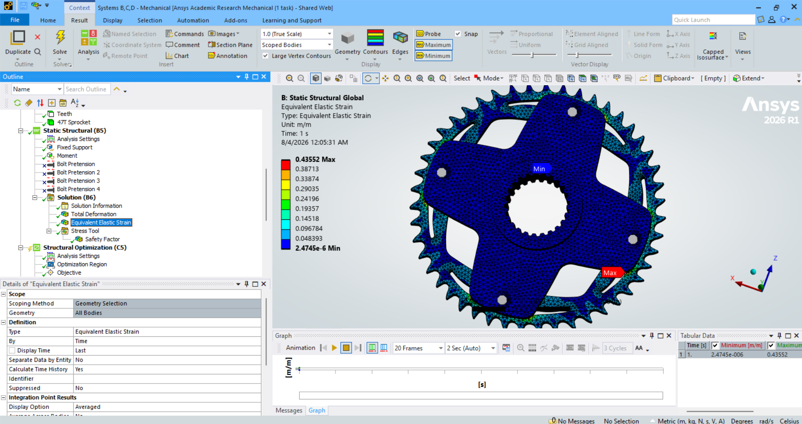


10% LESS MATERIAL THAN MARGINAL | 10% LESS MATERIAL THAN MARGINAL

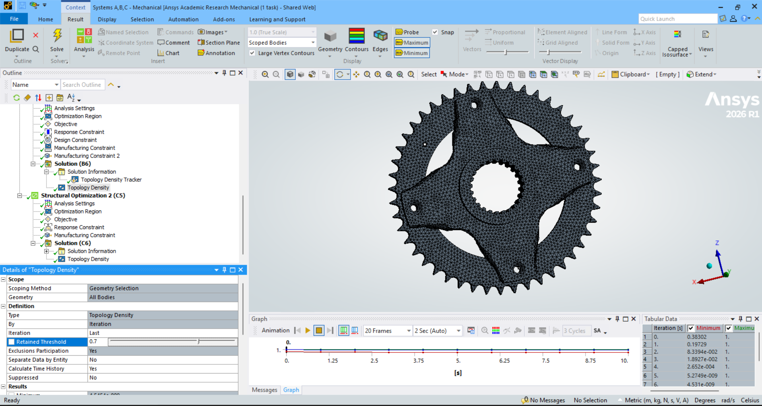

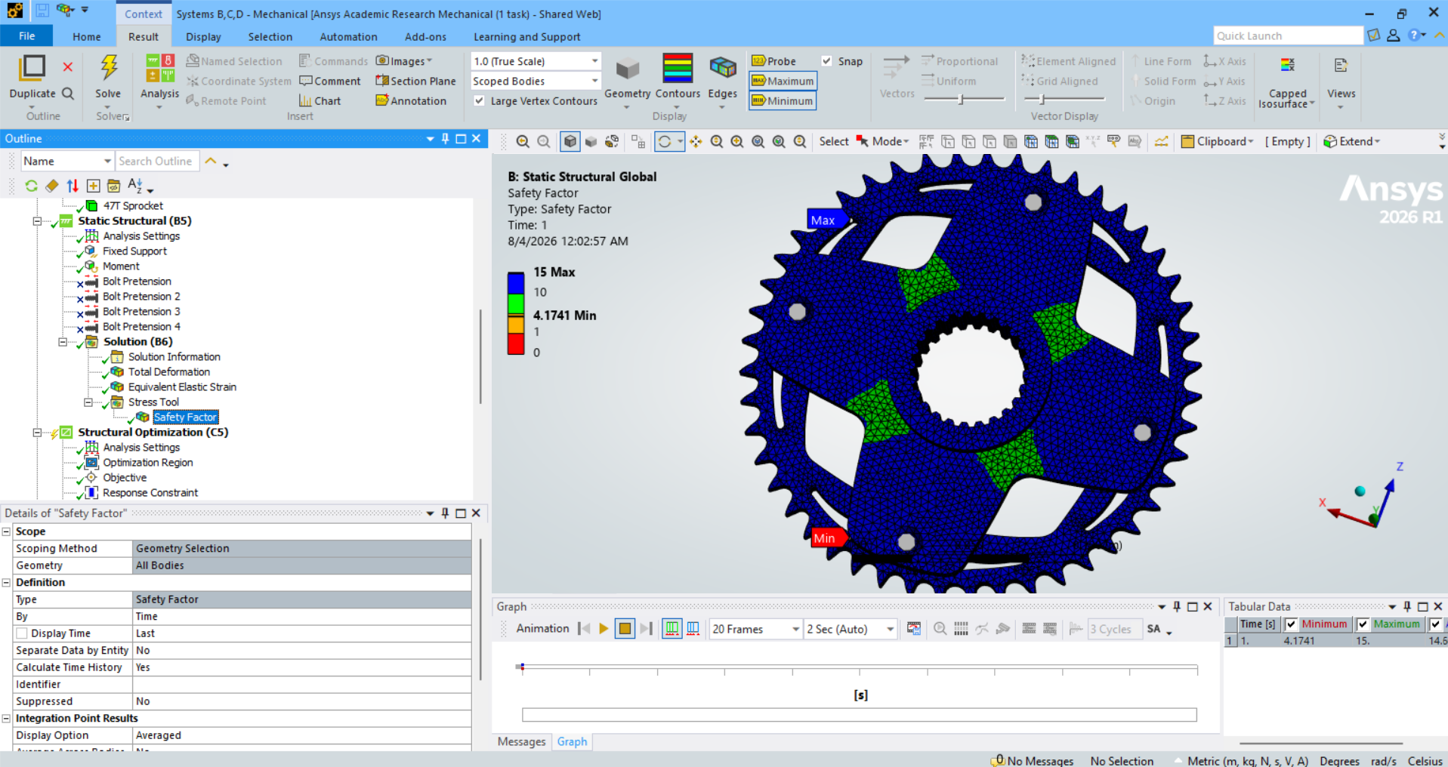
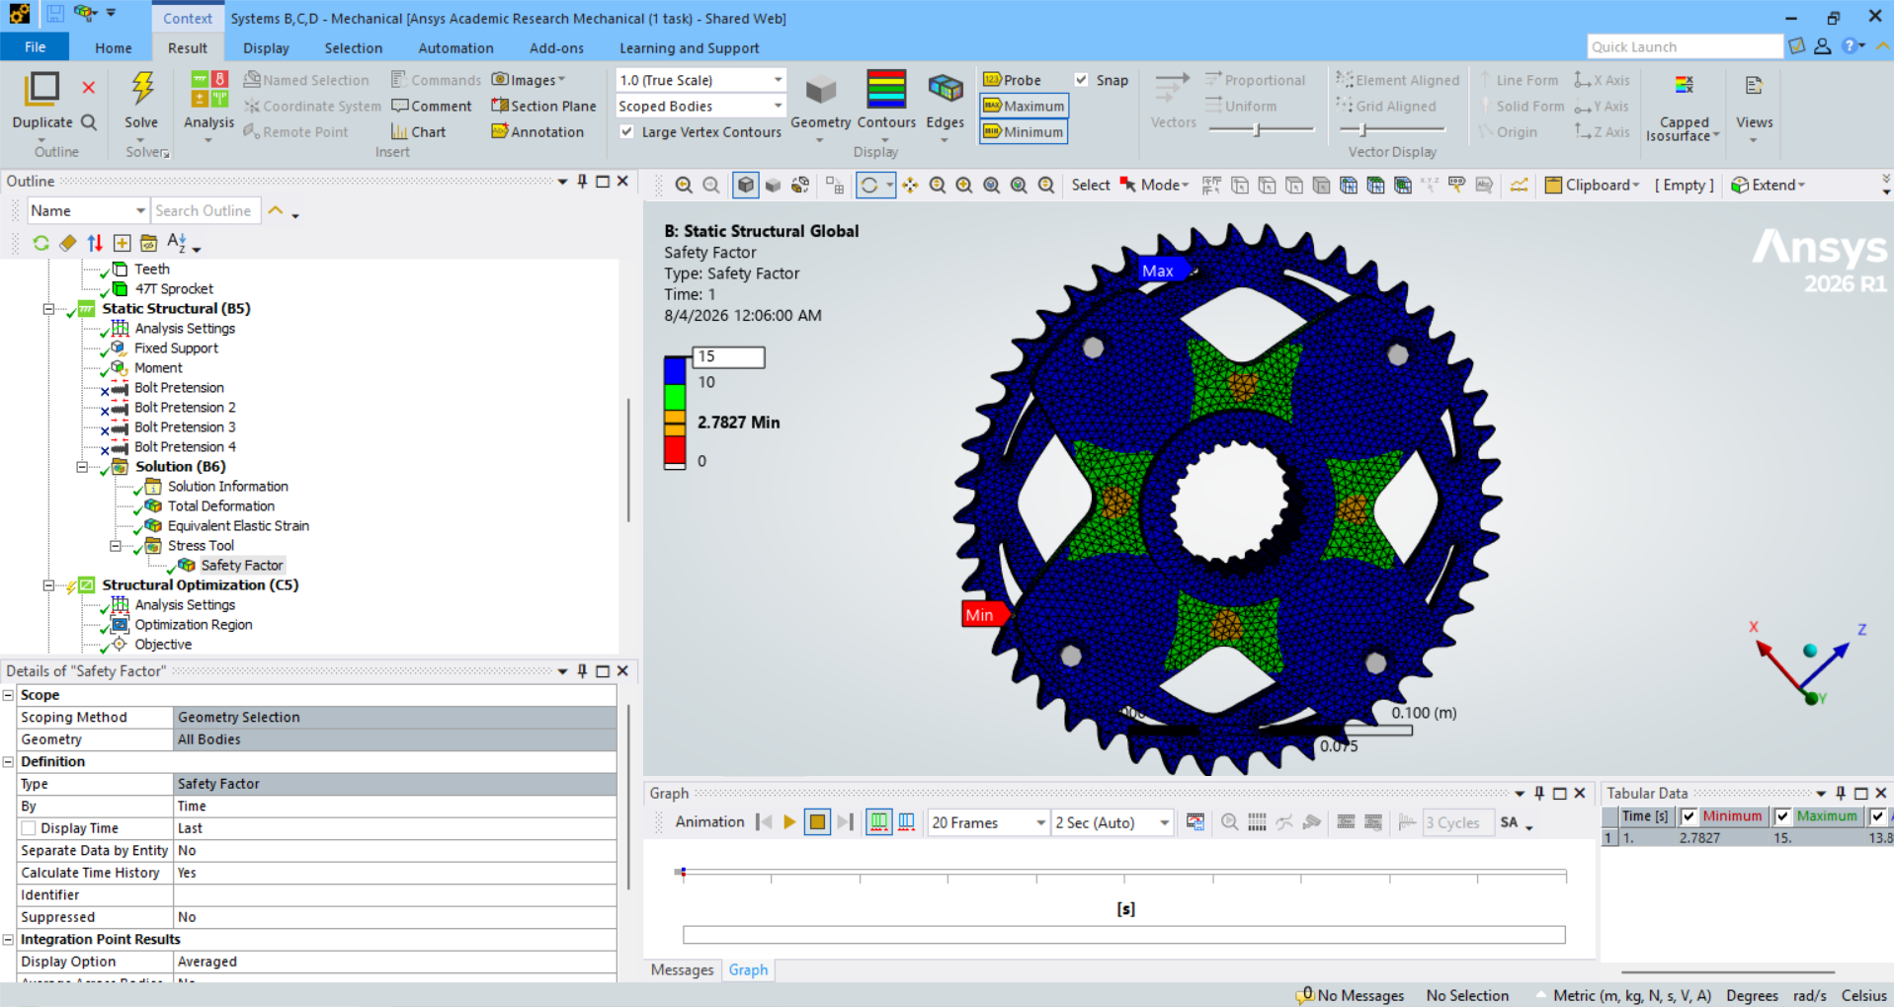

ORIGINAL | ORIGINAL
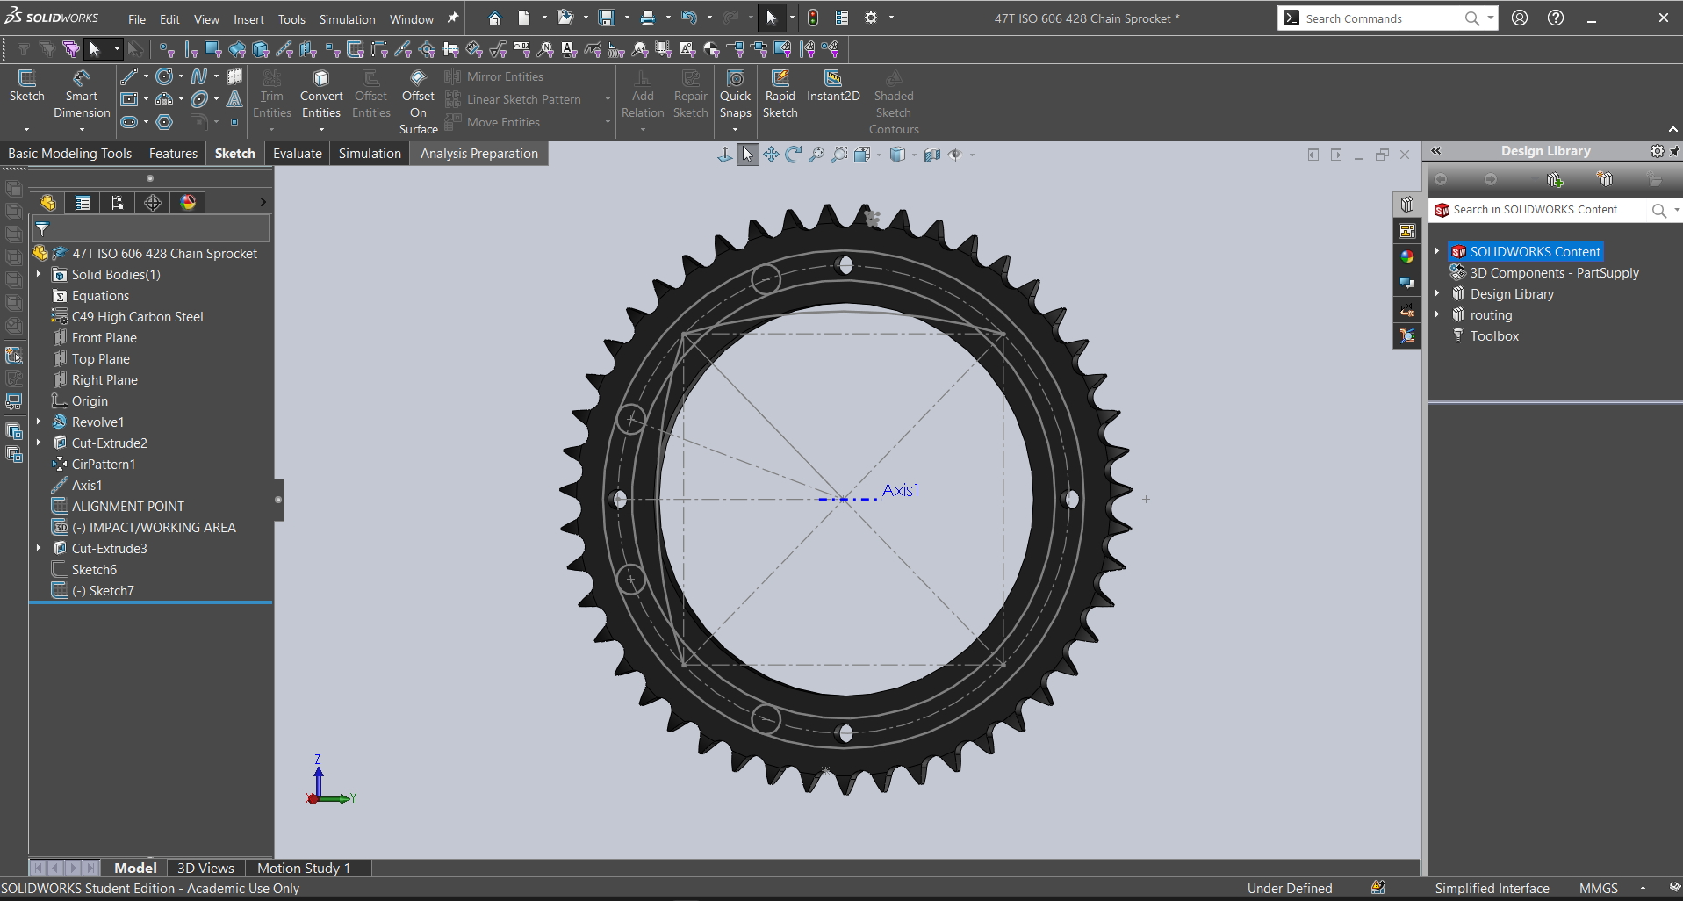
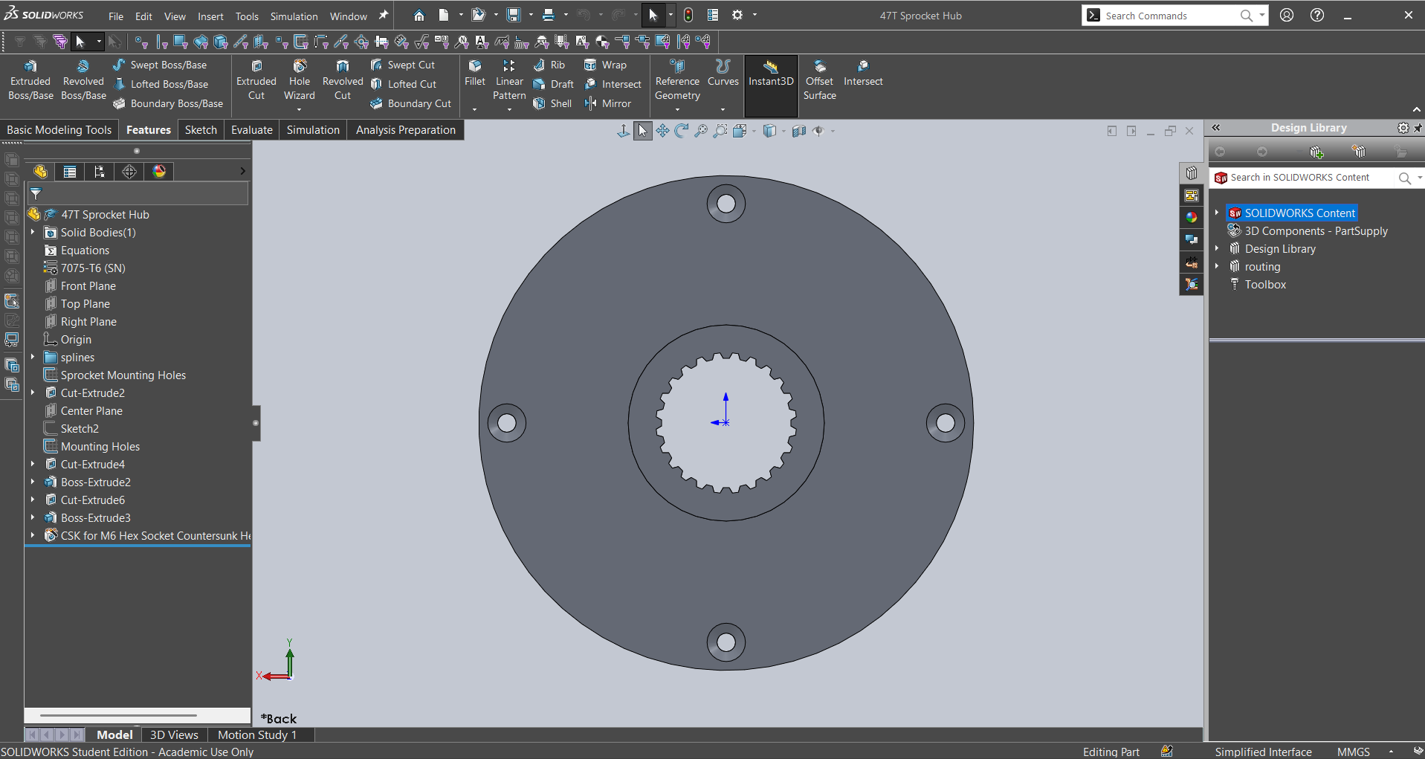
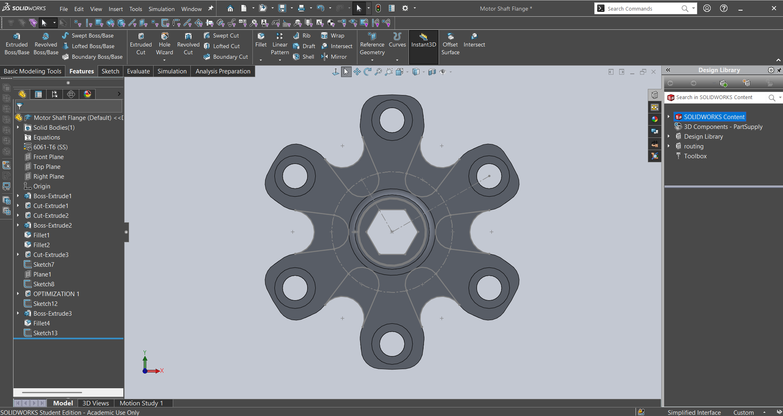

OPTIMIZATION 1 | OPTIMIZATION 1

